Summary by Scout
This Pivot Table will summarize the total inventory given and returned by scout.
Under Pivot Table Tools - Press Refresh Button to update data

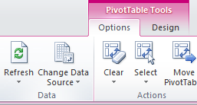
 | Row Labels | Sum of Amount
 | bob | 40
 | tom | 60
 | john | 60
 | (blank) | 0
 | Grand Total | 160

